Figure S1
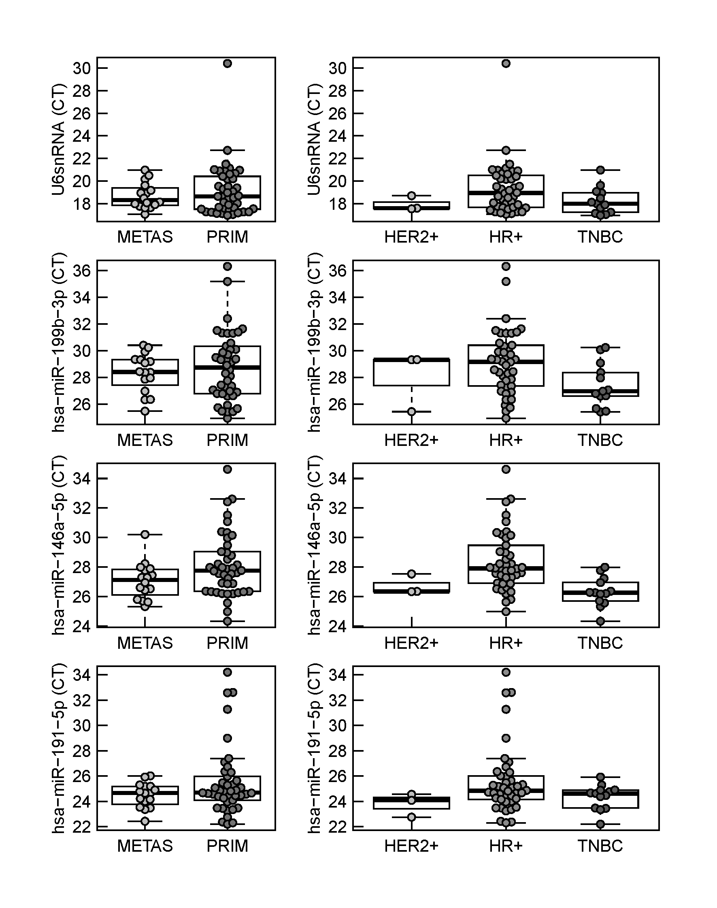

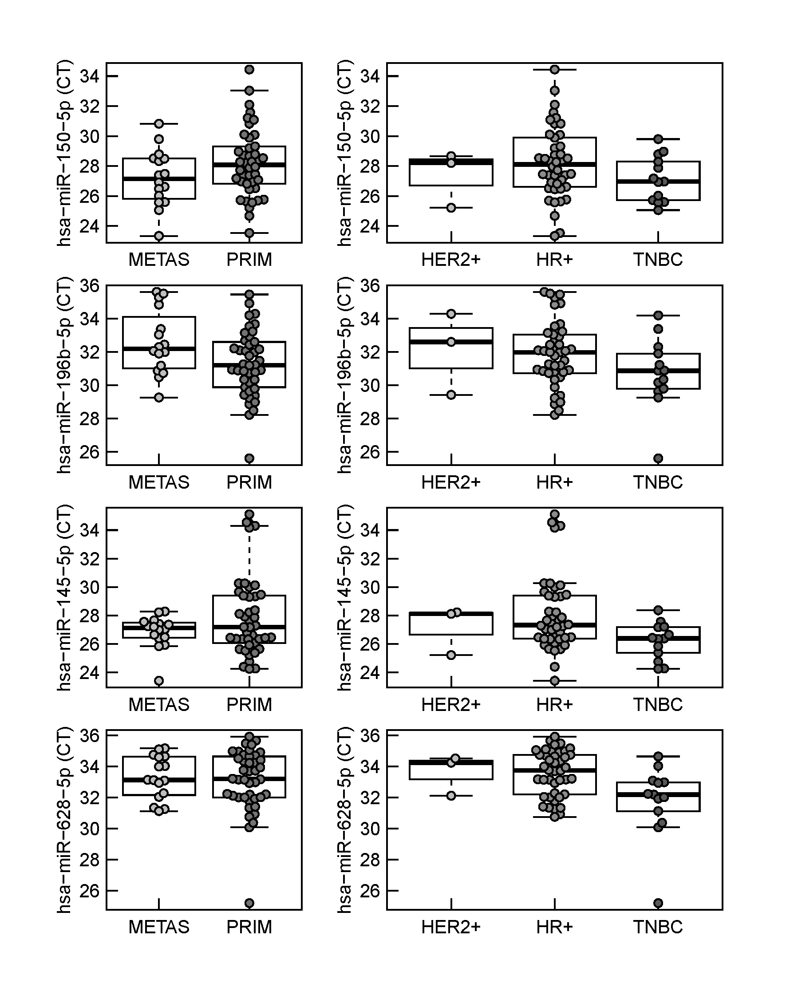

Figure S1. Boxplots of miRNA expression (CT-values) of housekeeper candidates per subgroup. METAS: samples derived from metastasis; PRIM: samples derived from primary; HER2+: HER2 positive; HR+: hormone receptor positive; TNBC: triple negative breast cancer

Figure S2
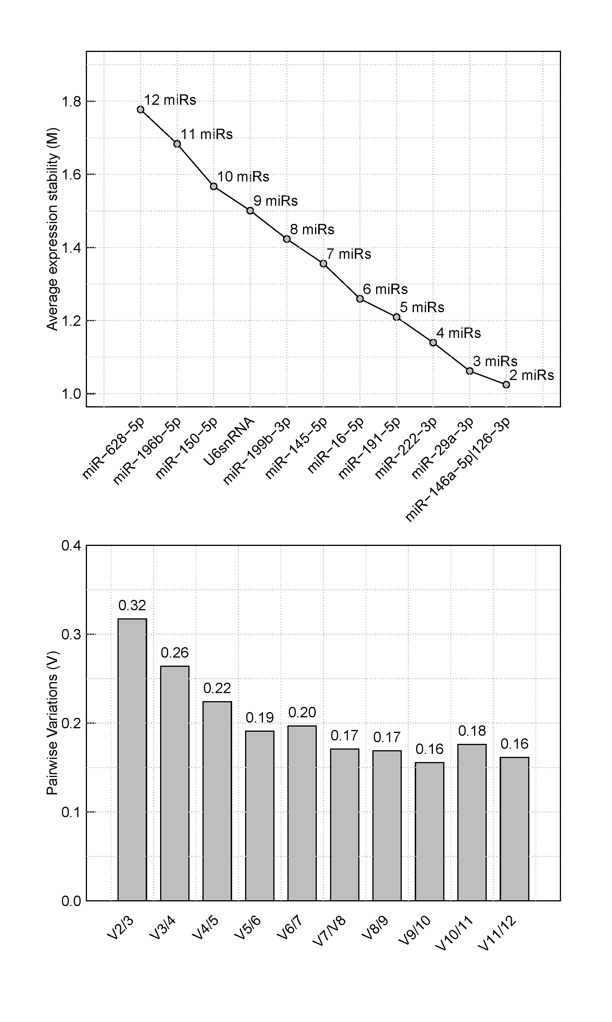

Figure S2. Results from geNorm analysis. Average expression stability M of all remaining housekeeper candidates after stepwise exclusion of the least stable reference candidate (upper panel). Pairwise variation (V) between normalization factors consisting of a different number of housekeeper candidates in a stepwise procedure, where microRNAs were sequentially included into the normalization factor according to their increasing stability value (lower panel).

